Project "Bank Hapoalim"
Test | Key | Title | Description | Pre-condition | Steps | Data | Expected Result | Folder | Requirements | Owner | Priority | Status | Type | Release | Component | Estimated Effort(in mins) | Tags | Automation Status | Automation Owner | Automation Key
Compatibility test cases 1 | EC-TC-15 | Entry to the Bank Hapoalim website on an iPhone mobile device in the Safari browser to find a nearby branch. | Checking the site's compatibility and functionality in the Safari browser on an iPhone-type mobile device. Examining the operation of locating a nearby branch using GPS, without user login. | Iphone device Internet connection Safari Browser | Clicking on the Safari browser application |  | Safari browser will open and display the search engine |  |  | yarinitzhakEcom | High | Draft
 |  |  |  |  | Write www.bankhapoalim.co.il in URL | www.bankhapoalim.co.il (Link: http://www.bankhapoalim.co.il ) | The Bank Hapoalim website is displayed in the browser on the device screen
 |  |  |  |  | Clicking on menu |  | The main menu will open
 |  |  |  |  | Clicking on the branches function |  | The list of all Bank Hapoalim branches will be displayed
 |  |  |  |  | Clicking on branches near me |  | The list of branches closest to me will be displayed
 |  |  |  |  | Clicking on the desired branch |  | The details of the selected desired branch will appear.The details of the selected desired branch will appear. We can click on navigation to navigate to the branch
2 | EC-TC-16 | Entering the "Bank Hapoalim" website on an Iphone mobile device in the Google Chrome browser in order to schedule an appointment with a banker. | Checking the compatibility of the Bank Hapoalim website with the Google Chrome browser on an iPhone device. Scheduling a meeting with the bank representative. without the need to connect to the system. | Iphone device Google chrome browser Internet connection | Clicking on the Google Chrome browser application |  | Google Chrome browser will open and display the search engine |  |  | yarinitzhakEcom |  | Draft
 |  |  |  |  | Write www.bankhapoalim.co.il in URL | www.bankhapoalim.co.il (Link: http://www.bankhapoalim.co.il ) | The Bank Hapoalim website is displayed in the browser on the device screen
 |  |  |  |  | Clicking on menu |  | The main menu will open
 |  |  |  |  | Clicking on the function to coordinate a meeting at the branch |  | A menu function to make an appointment with a banker will be displayed on the screen. and you will be asked to enter personal details
 |  |  |  |  | Fill in full name field | Gabi melehov | The name field will be filled with the entered details
 |  |  |  |  | Filling in the ID number in the ID field | 225684571 | The ID card that has been hardened will fill in the ID card field
 |  |  |  |  | Fill in the phone field |  | The phone field is filled in with the phone number entered
 |  |  |  |  | Selecting the desired branch where you want to schedule the meeting |  | The chosen branch will be filled in the branch field
 |  |  |  |  | Pressing the OK key |  | The page will reload and the times when you can schedule the appointment will be displayed
 |  |  |  |  | Choosing the appropriate time to set the meeting and pressing the OK key |  | The page will reload and display a message about the selected meeting date and time. You will receive an SMS message to the mobile device about the meeting details.
3 | EC-TC-17 | Entry to the Bank Hapoalim website on a Galaxy mobile device in the Firefox browser to check account balance. | Entering the bank's website using a Galaxy device in the Firefox browser, when the user is logged in to the account to find out the account balance. | Galaxy device Firefox Browser Internet Connection A user is logged in to the bank's website | Clicking on the Firefox browser application |  | Firefox browser will open and display the search engine. |  |  | yarinitzhakEcom | High | Draft
 |  |  |  |  | Write www.bankhapoalim.co.il in URL | www.bankhapoalim.co.il (Link: http://www.bankhapoalim.co.il ) | The Bank Hapoalim website is displayed in the browser on the device screen
 |  |  |  |  | Clicking on menu |  | The main menu will open
 |  |  |  |  | Clicking on the account information function |  | The page will load and a menu of account information will be displayed
 |  |  |  |  | Clicking on account transactions |  | Information for the account transactions appears on the screen and shows the account balance. The data shown is correct. The balance shown is the current balance of the account
4 | EC-TC-18 | Entry to the "Bank Hapoalim" website on a Galaxy device using the Google Chrome search browser , connecting to the bank account user and transferring money to another account. | Entry to the "Bank Hapoalim" website on a Galaxy device using the Google Chrome search browser with 4G internet connection, connecting to the bank account user and transferring money to another account. Website compatibility check for the web browser Google Chrome, and functional check of login and money transfer. | Galaxy device Google Chrome browser 4G internet connection Username and password are correct An account with a positive balance of money | Clicking on the Google Chrome browser application |  | Google Chrome browser will open and display the search engine |  |  | yarinitzhakEcom | Critical | Draft
 |  |  |  |  | Write www.bankhapoalim.co.il in URL | www.bankhapoalim.co.il (Link: http://www.bankhapoalim.co.il ) | The Bank Hapoalim website is displayed in the browser on the device screen
 |  |  |  |  | Clicking on menu |  | The main menu will open
 |  |  |  |  | Clicking on the system login function |  | The page will reload quickly, the main login page appears on the screen
 |  |  |  |  | Enter a username in the username field | GabiMeleh123 | Username field is filled with entered data. A green color appears around the frame of the username field.
 |  |  |  |  | Entering a password in the password field |  | The password field is filled with entered data. A green color appears around the password field.
 |  |  |  |  | Clicking on login. |  | A successful login message will appear on the screen. The page will reload, and the main menu of the website will appear when the user is logged in.
 |  |  |  |  | Clicking on the function of transferring money from one account to another |  | The page will reload, the page of transferring funds between accounts will be displayed
 |  |  |  |  | Enter the number of the bank account to which the money will be transferred in the field Bank account number | 385-111025 | The bank account number field will be filled with the entered data
 |  |  |  |  | Entering the desired amount to be transferred to the specific account in the amount to be transferred field. | 100₪ | The amount to transfer field is filled with the entered data
 |  |  |  |  | Click on transfer. |  | A message of the success of the operation will be displayed. The page will reload and the account transactions page will be displayed on the screen, There will appear the operation of the money transfer that was made
5 | EC-TC-19 | Entering the Bank Hapoalim website on an iPad (IOS) device in the Safari browser and changing the language from Hebrew to English | Checking the site's compatibility and functionality in the Safari browser on an iPad with a higher screen resolution, Checking after language change there are no spelling errors or cutting of sentences | Ipad device Internet connection Safari browser Bank Hapoalim Site with language in Hebrew | Clicking on the Safari browser application |  | Safari browser will open and display the search engine |  |  | yarinitzhakEcom | Medium | Draft
 |  |  |  |  | Write www.bankhapoalim.co.il in URL | www.bankhapoalim.co.il (Link: http://www.bankhapoalim.co.il ) | The Bank Hapoalim website is displayed in the browser on the device screen. The website page is displayed in a way that is easy on the eye without any error in the text. The device screen size does not affect the site's functionality
 |  |  |  |  | Clicking on International |  | The website page will load and reload. The website language has changed from Hebrew to English. The text of the website is readable and understandable, No error was caused as a result of changing the language.

 |  | Execution Distribution:Compatibility tests
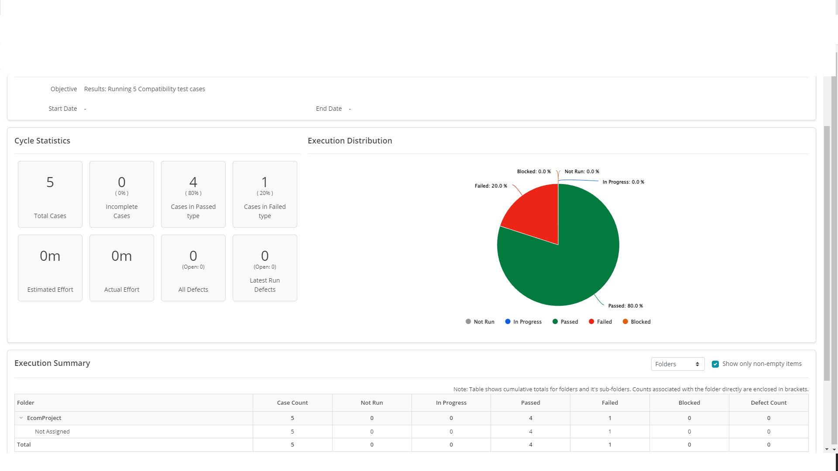

 |  | Case in Jira:

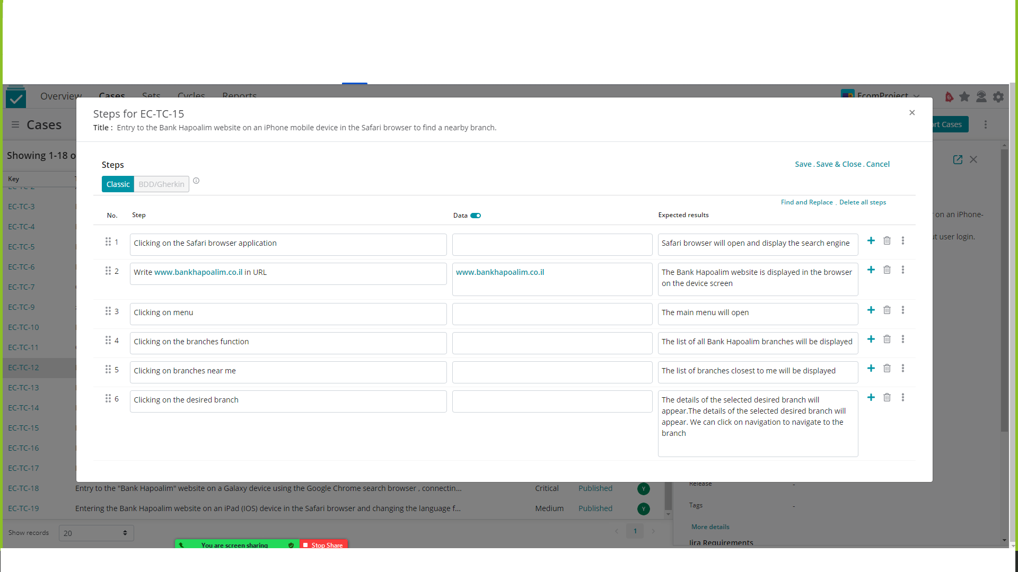

GUI test cases 1 | BH-TC-1 | checking the place of the fields at login to the bank hapoalim site | Checking if the places of the rows are in correct fields in the login of the Bank hapoalim site | IOS latest version iPhone 13 Pro max Cellular connection wifi connection safari browser | Open safari in your phone and search for bank hapoalim site |  | the safari doing search and find all the result that it finds |  |  | WindXample HD | Medium | Draft
 |  |  |  |  | tap on first URL - bank hapoalim site |  | Bank hapoalim site is opened on the login page with 2 rows: first Username second password
 |  |  |  |  | the code of the size of the page must be <font face="serif" size="6" </font> | <font face="serif" size="6" </font> | All the sentences in size 6 and the logo of the app is red
 |  |  |  |  | the code is <p style="Text-Bank-Hapaolaim;">Some Right-Aligned Text</p> | <p style="text-Bank-Hapaolim;">Some Right-Aligned Text</p> | the logo of Bank hapoalim is in the right side of the top screen
 |  |  |  |  | <p style="text-align:center;">Username Password/p> | <p style="text-align:center;">Username Password/p> | in the center of the page you will see 2 rows first login second password
 |  |  |  |  | <p style="text-align:center,below;">forget username\password/p> | <p style="text-align:center,below;">forget username\password/p> | below the username and password you will see the option if you forget your username or password to reset if needed.
 |  |  |  |  | <p style="text-align:center,below;">Login with Face-ID /p> | <p style="text-align:center,below;">Login with Face-ID /p> | below to the forget your username or password you will se a option to connect to the app with Face-ID.
 |  |  |  |  | <p style="text-align:center,below;">Login /p> font face="serif" size''7'' color="red">Login</font> | <p style="text-align:center,below;">Login /p> font face="serif" size ''7'' color="red">Login</font> | one of the last line you will see a login button that pained in red and the size is bigger from all the page
2 | BH-TC-2 | checking if you can put only number in the option of Daily repayment | its a site of bank hapoalim , you have a lot of options of what to do with your money , one of that is Daily repayment. checking when you try to put some money in your Daily repayment so the app only gives you to write numbers and not latters or signs. | iPhone 13 Pro max Cellular internet connection latest IOS version on the phone safari browser | Tap on safari browser on your phone and search for bank hapoalim site |  | safari founds bank hapoalim site and all the results to hapaolim. |  |  | WindXample HD | High | Draft | Performance
 |  |  |  |  | Open Bank Hapoalim official site |  | The Bank site is opened on the login page.
 |  |  |  |  | tap on Login with Face-ID |  | A camera roll is opened for 2 seconds and Secures facial features, after aproves its entering to the app
 |  |  |  |  | after login below of the current account you will see a couple of options one of them is ''Daily repayment'', tap on it. |  | from the main page of the current account the window of the app will move to the Daily repayment up to a maximum 5 seconds.
 |  |  |  |  | after entering to the Daily repayment you got 2 options first ''create a new Daily repayment'' and second option is ''Draw from a Daily repayment'' press create a daily. |  | a new tab is opened after waiting up to maximum 4 seconds you will see the date of draw and the mount of the put to the daily repayment
 |  |  |  |  | tap on the amount and tap $#sd24512# and press enter | $#sd24512# | the system gives an error and delete the row of the amount
 |  |  |  |  | tap the amount 5543$ | 5543$ | the amount of 5543$ moves from your current account to the daily repayment.
3 | BH-TC-3 | checking the option of dialing a call center | Dialing a call center if you need it from the main page of the app, checking if the number is the correct number of the call center of the bank | iPhone 13 Pro max Latest IOS version Connection to the Cellular internet connection to a local SIM card for calling Bank Hapoalim app | Open Bank Hapoalim site |  | The site is opened and it request Username and Password |  |  | WindXample HD | Critical | Draft
 |  |  |  |  | enter the Username - EcomMay2022 enter the Password - Group1MMGlY press enter | Username - EcomMay2022 Password - Group1MMGlY | The app is checking with the cloud if the details are correct and after max to 4 seconds its open a new tab with your current account.
 |  |  |  |  | in the bottom center of the page tap on ''working with you'' |  | Pops up a window with some options like ''call to the call center'' , ''Scheduling a meeting with a banker'' and more
 |  |  |  |  | Tap on the option of ''call to the call center'' |  | pop up a message with the center number with an option to call by taping on it.
 |  |  |  |  | dialing the number +972003-6532409 | +972003-6532409 | calling to the bank center call
4 | BH-TC-4 | checking the option to transfer money to other bank account | checking if in all the rows you can fill details of the another account that you want to transfer money to it. | iPhone 13 Pro max Latest IOS version Bank Hapoalim app Cellular internet connection | open the Bank Hapoalimsite |  | The site opened on the login Page |  |  | WindXample HD | High | Draft
 |  |  |  |  | Enter a Username - Ecom2022 enter a Password - Ecom1mmgly press enter | username - ecom2022 password - ecom1mmgly | the page is loading and up to maximum 5 seconds we got a respond to the bank cloud data for correct username and password open a new tab of the current account balance
 |  |  |  |  | on the main page of the bank at the bottom of the screen on the left side you will see an option ''menu'' |  | open a new tab of the menu with a 24 options with an subtopics.
 |  |  |  |  | tap on third option ''Transfers and cash withdrawals'' on the subtopic ''transfer to another account'' |  | before entering the tab pf the transfer the system asks you about a code that you need to get to your phone by sms phone number.
 |  |  |  |  | atfer typing the code a new tab will open with 4 options: full name of the account holder what bank he is branch ID bank account fill it. | full name : Ecom Israel bank he is : 10 leumi Branch : ashdod sea mall ID bank account : 23458192 | after filling it will check with data base of the bank and if correct it will open a new tab of detatils of the transfer.
 |  |  |  |  | in the details of the transfer you got 3 options : amount of the transfer when to do the transfer transfer reason fill it. press the red button go on. | amount - 1000$ when - 14.08.2022 reason - medical issue | after filling the empty rows you press on the red button ''go on''
 |  |  |  |  | a new tab opened with all the details to confirm and send the transfer red button |  | sending the money to the account that typed before.
5 | BH-TC-5 | checking if its found the closest branch to my location | if the web can find the the closest bank branch by my GPS location. | iPhone 13 Pro max latest IOS version Safari browser Cellular internet connection | open in your phone Safari browser and type bank hapoalim | https://www.bankhapoalim.co.il/he (Link: https://www.bankhapoalim.co.il/he ) | the safari browser opened on the bank hapoalim site. |  |  | WindXample HD | High | Draft
 |  |  |  |  | on the left side on the top of the screen you got in red ''Login'' after that in gray you got ''contact'' and after ''branches'' tap on branches |  | a new tab is opened of the branches of the bank hapoalim, the site automatically will ask an promotion of GPS location of the devise that in use.
 |  |  |  |  | after allowed to the site to know your location , roll down a little bit until you see closest branch to me, tap on it. |  | a new tab is opened up to a maximum 4 seconds loading and shows what a closest branch to my location.
 |  |  |  |  | you got a mini map of israel state where you can see all the branches in all the cities of israel |  | you can move and enlarge in map around all the cities and branches around israel state.

 |  | Execution Distribution:GUI tests

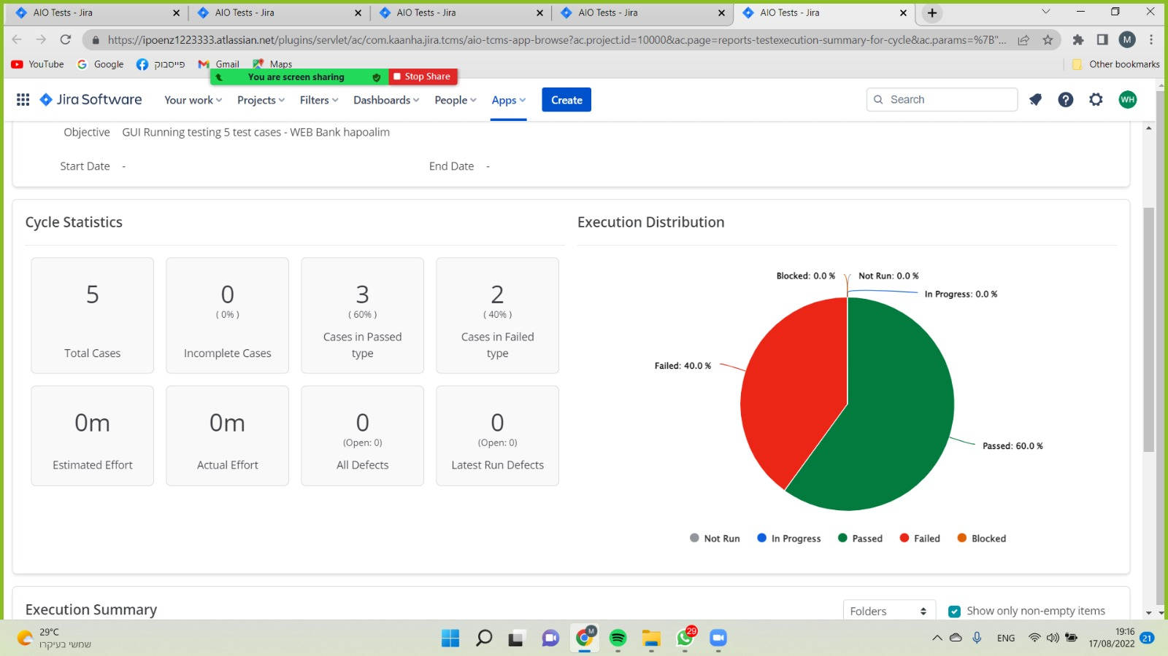

 |  | Case in Jira:

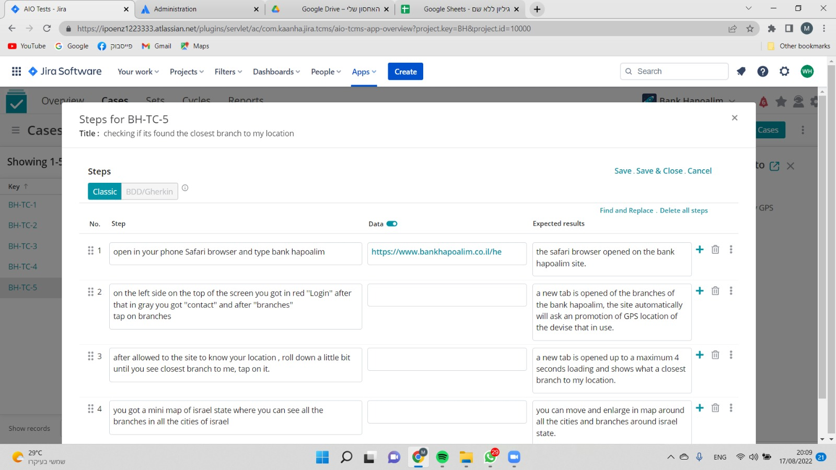

Functionality Test Cases 1 | EC-TC-21 | Transferring money from one account to another | Money transfer function from your account to another account through Bank Hapoalim WEB | Samsung Galaxy Note 9 phone, Internet connection, The Bank Hapoalim web, Active account | Click on the Chrome icon |  | Chrome opened and the home page came up |  |  | gabimelehecomschool | High | Draft | Functional |  |  |  |  | Manual
 |  |  |  |  | Type in URL Bank Hapoalim site | www.bankhapoalim.co.il (Link: http://www.bankhapoalim.co.il ) | The bank's website is up and requires a username and password
 |  |  |  |  | Type a username |  | The username appears on the username field
 |  |  |  |  | Type a password |  | A password appears on a password field in a confidential form
 |  |  |  |  | Click enter |  | Enter a username and the main page appears
 |  |  |  |  | Click on the menu on the bottom left |  | Options will open, select the money transfer option, a money transfer page will open
 |  |  |  |  | Click New Transfer |  | A screen will open that verifies your account with the phone registered in the system in a message with a password, automatically typing the password
 |  |  |  |  | Fill in details to whom to transfer: Name of account owner Bank Branch Account Number Then click Continue to select an amount |  | A transfer details screen will open
 |  |  |  |  | Fill in details: How much to transfer? When to transfer? Reason for transfer? Then click Continue |  | A details confirmation screen will open
 |  |  |  |  | Click Confirm Transfer |  | Transfer was successful
2 | EC-TC-22 | Deposit for daily repayment | Deposit money from current balance to daily repayment via the Bank Hapoalim web | Samsung Galaxy Note 9 phone, Internet connection, Bank Hapoalim web, Active account | Click on the Chrome icon |  | Chrome opened and the home page came up |  |  | gabimelehecomschool | Medium | Draft | Functional |  |  |  |  | Manual
 |  |  |  |  | Type in URL Bank Hapoalim site | www.bankhapoalim.co.il (Link: http://www.bankhapoalim.co.il ) | The bank's website is up and requires a username and password
 |  |  |  |  | Type a username |  | The username appears on the username field
 |  |  |  |  | Type a password |  | A password appears on a password field in a confidential form
 |  |  |  |  | Click enter |  | Enter a username and the main page appears
 |  |  |  |  | Click on the menu on the bottom left |  | Options are opened, select the daily repayment operations option, a deposit and withdrawal page from daily repayment is opened
 |  |  |  |  | Click on opening a new daily repayment |  | A new daily repayment opening page appears
 |  |  |  |  | Details must be filled in: How much would you like to deposit: when to deposit: Then click Continue |  | A transfer confirmation page will open with all the details
 |  |  |  |  | Click Confirm Deposit |  | The deposit was made successfully
3 | EC-TC-23 | Cash withdrawal without a card | A function that authorizes withdrawing cash from an ATM without using a credit card | Samsung Galaxy Note 9 phone, Internet connection, Bank Hapoalim web, Active account | Click on the Chrome icon |  | Chrome opened and the home page came up |  |  | gabimelehecomschool | Low | Draft | Functional |  |  |  |  | Manual
 |  |  |  |  | Type in URL Bank Hapoalim site | www.bankhapoalim.co.il (Link: http://www.bankhapoalim.co.il ) | The bank's website is up and requires a username and password
 |  |  |  |  | Type a username |  | The username appears on the username field
 |  |  |  |  | Type a password |  | A password appears on a password field in a confidential form
 |  |  |  |  | Click enter |  | Enter a username and the main page appears
 |  |  |  |  | Click on the menu on the bottom left |  | Options are opened, select the ATM withdrawal option, a cash withdrawal screen without a credit card will open
 |  |  |  |  | Click on new withdrawal |  | A page opens with withdrawal options: 100,500,1000 other amount
 |  |  |  |  | Click 100 then continue |  | A screen opens with 2 codes that need to be entered at the ATM, Code 1- date of birth Code 2- will be sent in a message to the mobile number updated in the system
 |  |  |  |  | Click Continue |  | A screen will open with confirmation of the operation and verification of details
 |  |  |  |  | Click OK Withdrawal |  | A page opens, the withdrawal request has been accepted
4 | EC-TC-24 | Foreign Currency Exchange | currency exchange: Shekels for foreign currency, Foreign currency to shekels, Foreign currency to another foreign currency | Samsung Galaxy Note 9 phone, Internet connection, Bank Hapoalim web, Active account | Click on the Chrome icon |  | Chrome opened and the home page came up |  |  | gabimelehecomschool | Medium | Draft | Functional |  |  |  |  | Manual
 |  |  |  |  | Type in URL Bank Hapoalim site | www.bankhapoalim.co.il (Link: http://www.bankhapoalim.co.il ) | The bank's website is up and requires a username and password
 |  |  |  |  | Type a username |  | The username appears on the username field
 |  |  |  |  | Type a password |  | A password appears on a password field in a confidential form
 |  |  |  |  | Click enter |  | Enter a username and the main page appears
 |  |  |  |  | Click on the menu on the bottom left |  | Options opened, select the foreign currency exchange option, a foreign currency exchange screen opened
 |  |  |  |  | Select convert shekels to foreign currency and then click continue |  | Select a foreign currency for example US Dollar
 |  |  |  |  | Click continue |  | A page will open asking how many dollars you would like to purchase, select $100
 |  |  |  |  | Click continue |  | An invitation page will open
 |  |  |  |  | Click continue |  | The action confirmation and details verification screen will open
 |  |  |  |  | Click Confirm Purchase |  | The purchase was made successfully
5 | EC-TC-25 | Credit request | Credit request function through the Bank Hapoalim web | Samsung Galaxy Note 9 phone, Internet connection, The Bank Hapoalim web, Active account | Click on the Chrome icon |  | Chrome opened and the home page came up |  |  | gabimelehecomschool | Medium | Draft | Functional |  |  |  |  | Manual
 |  |  |  |  | Type in URL Bank Hapoalim site | www.bankhapoalim.co.il (Link: http://www.bankhapoalim.co.il ) | The bank's website is up and requires a username and password
 |  |  |  |  | Type a username |  | The username appears on the username field
 |  |  |  |  | Type a password |  | A password appears on a password field in a confidential form
 |  |  |  |  | Click enter |  | Enter a username and the main page appears
 |  |  |  |  | Click on the menu on the bottom left |  | Options will open, select the credit request option, a credit request page will open
 |  |  |  |  | Enter the amount of credit and then click continue |  | A page will open with all kinds of credit purposes
 |  |  |  |  | Choose private consumption |  | A credit conditions page will open
 |  |  |  |  | Click on the credit terms selection in the center of the screen below |  | A screen will open with the credit details and how many repayment months we would like to return the credit
 |  |  |  |  | Click 2 months later continue |  | A page for verifying the details will open
 |  |  |  |  | Click for the credit agreement |  | The credit was done successfully and the money was transferred to your account

 |  | Execution Distribution:Functionality tests

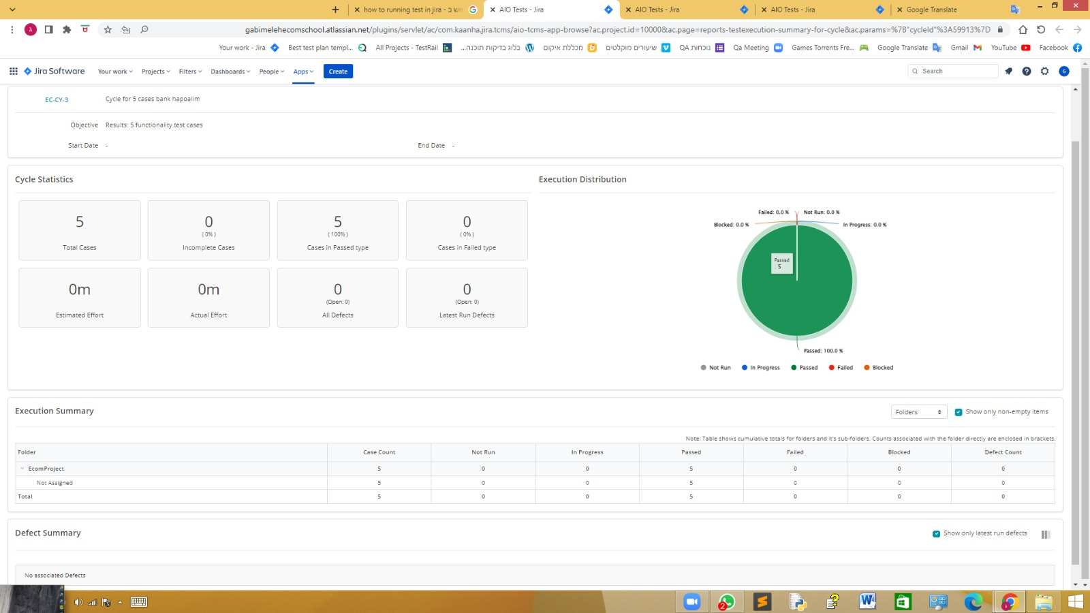

 |  | Case in Jira:

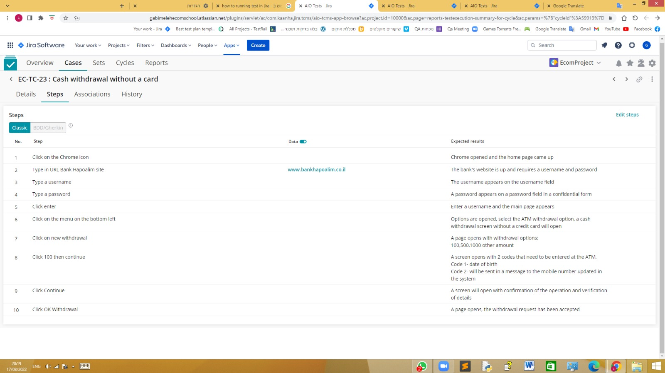

Usability Test Cases 1 | EC-TC-15 | Test details of loans | Test loan details in Bank Hapoalim website on mobile device | Samsung note 8 device Google Chrome Mobile internet Active bank account and connected to site of Bank Hapoalim | Tap google chrome on the mobile screen |  | The website loads and offers login to the account in the top of the screen from the left |  |  | scorpion85 | Medium | Published
 |  |  |  |  | Tap login to the account |  | When logging into the bank account, you are asked to fill in a username and password
 |  |  |  |  | Type the user name |  | The user name has been typed and appears on the screen visibly
 |  |  |  |  | Type the the password |  | The password has been typed ans appears confidentialy
 |  |  |  |  | Click on login |  | Entering the website and the mane page appears where you can see the current account status
 |  |  |  |  | Click on loans at the top of the screen |  | Aloan detail screen will open
2 | EC-TC-16 | Test current bank account | Test current bank account on website of Bank Hapoalim | Samsung note 8 device Google Chrome Mobile internet Active bank account and connected to site of Bank Hapoalim | Tap google chrome on the mobile screen |  | The website loads and offers login to the account in the top of the screen from the left |  |  | scorpion85 | Medium | Published |  |  |  |  |  | Manual
 |  |  |  |  | Tap login to the account |  | When logging into the bank account, you are asked to fill in a username and password
 |  |  |  |  | Type the user name |  | The user name has been typed and appears on the screen visibly
 |  |  |  |  | Type the password |  | The password has been typed and appears confidentially
 |  |  |  |  | Click on login |  | Entering the website and the mane page appears where you can see the current account status
 |  |  |  |  | On the top of the screen, tap on the current account |  | The account transactions appear
3 | EC-TC-17 | Test fingerprint login | Test access to the bank accoun by usinf fingerprint | Samsung note 8 device Google Chrome Mobile internet Active bank account and connected to site of Bank Hapoalim | Tap google chrome on the mobile screen |  | The website loads and offers login to the account in the top of the screen from the left |  |  | scorpion85 | Medium | Published |  |  |  |  |  | Manual
 |  |  |  |  | Tap login to the account |  | The banks' website offers you verify your identity whit a fingerprint
 |  |  |  |  | Place your finger on the fingerprint sensor |  | A window will open that informs about the cirrect indetification of a fingerprint with an illustration of a fingerprint in green than the mane page appears
4 | EC-TC-18 | Test grafical desing, comfort and accessibility | Test graficl desing, how easy it is to browse the website and how accessble - | Samsung note 8 device Google Chrome Mobile internet Active bank account and connected to site of Bank Hapoalim | Tap google chrome on the mobile screen |  | The website loads and offers login to the account in the top of the screen from the left |  |  | scorpion85 | Medium | Published |  |  |  |  |  | Manual
 |  |  |  |  | Tap login to the account |  | When logging into the bank account, you are asked to fill in a username and password
 |  |  |  |  | Type the user name |  | The user name has been typed and appears on the screen visibly
 |  |  |  |  | Type the the password |  | The password has been typed ans appears confidentialy
 |  |  |  |  | Click on login |  | Entering the website and the mane page appears where you can see the current account status
5 | EC-TC-19 | Production of certificates | Test the production of certificates from the website and saving them in a PDF file | Samsung note 8 device Google Chrome Mobile internet Active bank account and connected to site of Bank Hapoalim | Tap google chrome on the mobile screen |  | The website loads and offers login to the account in the top of the screen from the left |  |  | scorpion85 |  | Published |  |  |  |  |  | Manual
 |  |  |  |  | Tap login to the account |  | When logging into the bank account, you are asked to fill in a username and password
 |  |  |  |  | Type the user name |  | The user name has been typed and appears on the screen visibly
 |  |  |  |  | Type the the password |  | The password has been typed ans appears confidentialy
 |  |  |  |  | Click on login |  | Entering the website and the mane page appears where you can see the current account status
 |  | Execution Distribution: Usability tests |  |  | Type production of certificates on the center of the sceern |  | A page with common certificates and printouts will open
 |  |  |  |  | Select the requested certificate |  | A window will open where you can choose the language in which the certificate will be saved
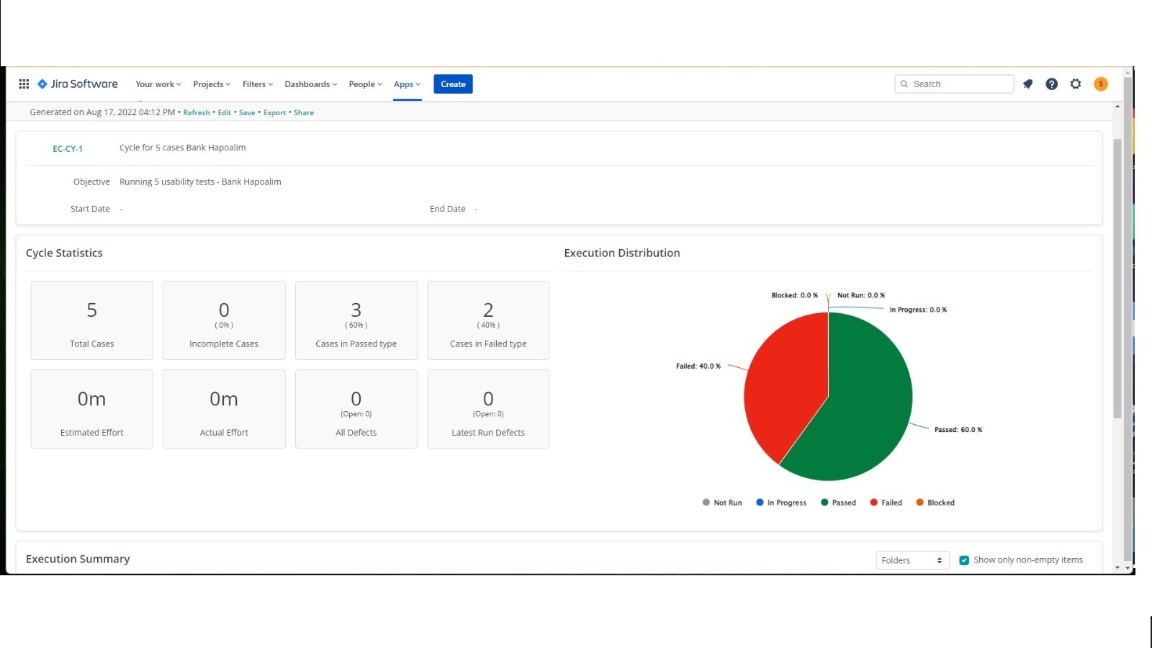
 |  |  |  |  | Type view PDF under language select |  | You will be asked whether to download the file
 |  |  |  |  | Type download |  | The file is saved in PDF and displayed

 |  | Case in Jira:

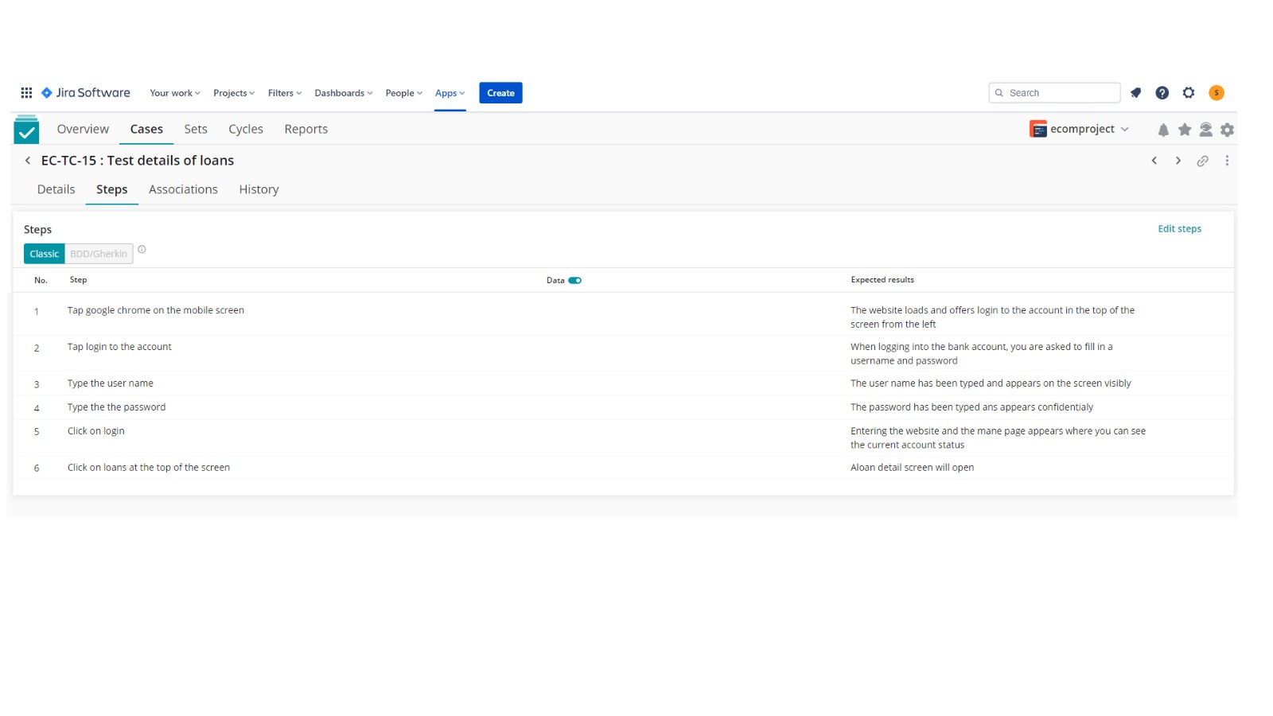

Performance Test Cases 1 | EC-TC-15 | Check the recovery of bank Hapoalim website | in this test we want to check after the bank Hapoalim website crashes, how long it takes to recover | Laptop Dell Inspiron 15, i5, 8GB Ram Internet connection Bank Hapoalim website | Open the chrome browser on the computer |  | You see the Chrome browser homepage |  |  | mark tomanok | Critical | Published | Performance |  |  | 30
 |  |  |  |  | Put the URL https://www.bankhapoalim.co.il/he of Bank Hapoalim and press Enter |  | you see the screen of the bank Hapoalim website
 |  |  |  |  | Press on the red button in the left side, "Enter to the account" and login to the bank Hapoalim website | username: moshe12344 password: 123445677 | you see the main screen of the bank Hapoalim account with information, like: balance of the account, saving and debts
 |  |  |  |  | Use automation software and send to the database a lot information until the website crashes |  | You see the website getting slowwer and then the chrome browser closes automaticlly
 |  |  |  |  | You open the browser chrome and then put the URL https://www.bankhapoalim.co.il/he and press Enter |  | You are in the main screen of the bank Hapoalim website and you are logged out of the account.
2 | EC-TC-16 | Check the bank Hapoalim website with 10,000 users | In this test we want to do load testing and check if the website will crash on regular use of 10,000 users | Laptop Dell Inspiron 15, i5, 8GB Ram Internet connection Bank Hapoalim website | Use automation software with 10,000 users simulation and open the browser Chrome |  | you see the home page of the Chrome browser |  |  | mark tomanok | Critical | Published | Performance |  |  | 45 |  | Manual
 |  |  |  |  | Put URL https://www.bankhapoalim.co.il/he of Bank Hapoalim and press Enter with 10,000 visitors simulation . |  | You see the main screen to bank Hapoalim website
 |  |  |  |  | Press on the red Button on the left side of the screen " access account " and Login into the bank Hapoalim with 10,000 users | username: moshe12345 password: 123456778 | you see the main screen of the bank Hapoalim account with bank balance, savings and debts
 |  |  |  |  | In the menu press "checking account" category with 10,000 users |  | you see the account balance of the user and all the account operations
 |  |  |  |  | press on the "account operations" of each transaction and see the datils of each activity in the bank with 10,000 users doing the same |  | you see the details of each activity in account operations
 |  |  |  |  | Press on the menu of the Hapoalim website and choose to transfer money to other user, 5000 users send to other 5000 users. |  | you see all the transfers processing in the same time in each checking account
 |  |  |  |  | Press on the menu of the website and then choose "saving" category, then with 10,000 users save a 1000 dollars in the same time in "saving account" |  | You see the 1000 dollars in the saving account of each account
 |  |  |  |  | Go into the menu of the bank Hapoalim website then choose the "taking a loan" category. then take with 10,000 users in the same time a 30000 dollars loan in the same time. then go into the "checking account" |  | You see the loan of 30,000 dollars in the checking account of each user
3 | EC-TC-17 | Checking bank Hapoalim website when 100,000 users transferring money in the same time | We do stress testing to check how it going to affect the users and the website after crashing | Laptop Dell Inspiron 15, i5, 8GB Ram Internet connection Bank Hapoalim website | Use automation software with simulation of 100,000 users and open the 100,000 different computers in simulation |  | You see the home page of the Chrome browser |  |  | mark tomanok | Critical | Published | Performance
 |  |  |  |  | Put URL https://www.bankhapoalim.co.il/he and press Enter with 100,000 users on the bank Hapoalim website |  | you see the main screen of the Bank Hapoalim
 |  |  |  |  | Login into the bank Hapoalim with 100,000 users | username : moshe123445 password: 123445566 and with 100,000 different users. | you see the main screen of the Bank Hapoalim website with account balance, savings and debts summarized
 |  |  |  |  | Press on the menu of bank Hapoalim website with 100,000 users and choose "transfer money" category |  | you see the screen of transfer money with options like: how much to transfer, account details to transfer the money, date of transfer
 |  |  |  |  | Fill the options of the amount to transfer, (100 dollars) , the account details and date (today) , then press on the button transfer money , with 50,000 users send to each other the money in simulation. |  | you see the confirmation of the transfer of 100 dollars in each account
 |  |  |  |  | then go to the "checking account" of the 100,000 users |  | you see in the checking account the 100 dollars that was transferred to the other account
4 | EC-TC-18 | Check bank Hapoalim website when sending 1000 transactions in one account | We do volume testing to check if one user can have a lot of volume like 1000 transitions in 3 hours | Laptop Dell Inspiron 15, i5, 8GB Ram Internet connection Bank Hapoalim website | Open Chrome browser |  | you see the home page of the Chrome browser |  |  | mark tomanok | Critical | Published | Performance |  |  | 200
 |  |  |  |  | Put the URL https://www.bankhapoalim.co.il/he of bank Hapoalim website |  | You see the main screen of the website of Bank Hapoalim
 |  |  |  |  | Pree on the red button in the left side of the website "Enter to the account" and then Login into the bank Hapoalim website | username: moshe123456 password: 123456789 | you see the main screen of the bank Hapoalim website, like: account balance, savings , debts summarized
 |  |  |  |  | Press on the menu of the account and choose the category "transfer money" |  | you see the details of the "transferring money" like: amount, details of the account to send money, date
 |  |  |  |  | Fill the transaction information of the another bank Hapoalim user with 100 dollars then press on the button "send" |  | you see the confirmation message of the transaction
 |  |  |  |  | Do this transactions of 100 dollars to the same bank Hapoalim account 1000 times |  | each time you see a confirmation of the money transfer
 |  |  |  |  | Press on the menu of the bank Hapoalim account then choose "checking account" category |  | you see all the 1000 transactions of 100 dollars to the bank Hapoalim user
 |  |  |  |  | Check all the 1000 transactions sent in the "checking account" are correct |  | you see all the transactions show 100 dollars with the same bank account details
 |  |  |  |  | logout of this user of bank Hapoalim and login to the user you sent money | username: avi12345 password: 12345678 | you see the main account of the bank Hapoalim website, summarized account balance, savings and debts
 |  |  |  |  | Go into the menu of the account and choose "checking account" |  | You see all the transactions that sent to the account
 |  |  |  |  | check all the 1000 transactions in the account if they are correct like: amount, date and details of the sender |  | you see all the information are correct in each transaction
5 | EC-TC-19 | Adding 1000 users every day to bank Hapoalim website for 30 days | We check the growing number of users that sign up to the website of bank Hapoalim every day | Laptop Dell Inspiron 15, i5, 8GB Ram Internet connection Bank Hapoalim website | Use the automation software that will add every day 1000 users for 30 days in simulation of 1000 computers, Open the Chrome browser. |  | You see the home page of the Chrome browser |  |  | mark tomanok | Critical | Published | Performance
 |  |  |  |  | Put the URL https://www.bankhapoalim.co.il/he to enter into bank Hapoalim website |  | you see the main website of the bank Hapoalim
 |  |  |  |  | Press in the category "Open bank account" |  | You see the page with red button "open bank account in 7 minutes" and information about the bank
 |  |  |  |  | Press on the red button "Open the account in 7 minutes" |  | you see the apps of the bank to download to open the account
 |  |  |  |  | Download the app in iPhone of bank Hapoalim then open the app, then press on the option "open a new account" |  | you see all the details of personal information you need to fill to open a bank account
 |  |  |  |  | fill all the personal information and press on the button "create new account" |  | You are login into the account
 |  | Execution Distribution: Performance tests |  |  | You have a message "set time with bank account manager for your needs" fill your phone number and set the times you available then press on the button "send" |  | you see a message "your details are sent"
 |  |  |  |  | Then do this automation process everyday with 1000 new users for 30 days, then open SQL database |  | you see all the new users adding in the bank Hapoalim app and the capacity of the servers they take each day

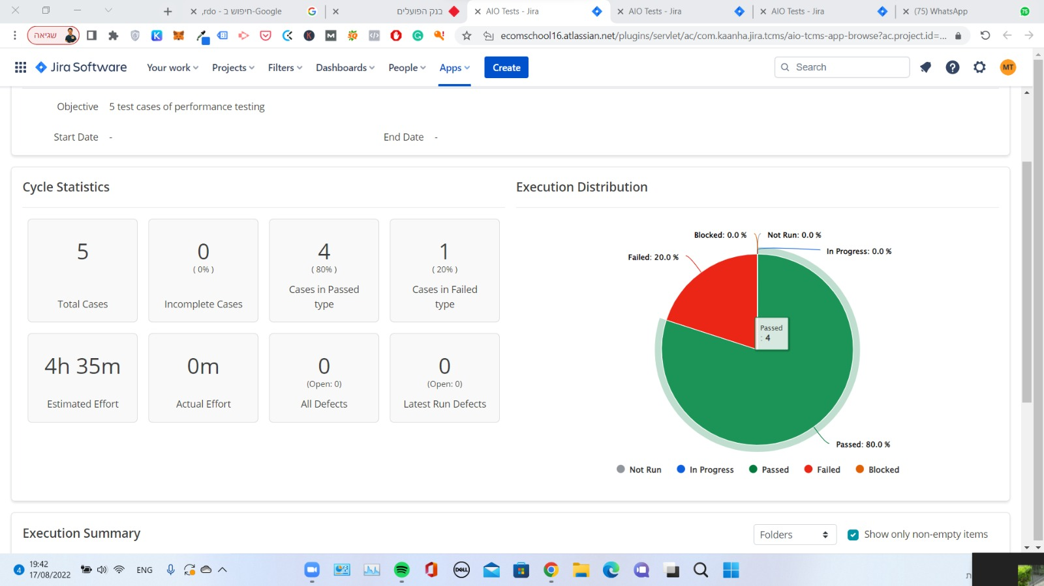

 |  | Case in Jira:

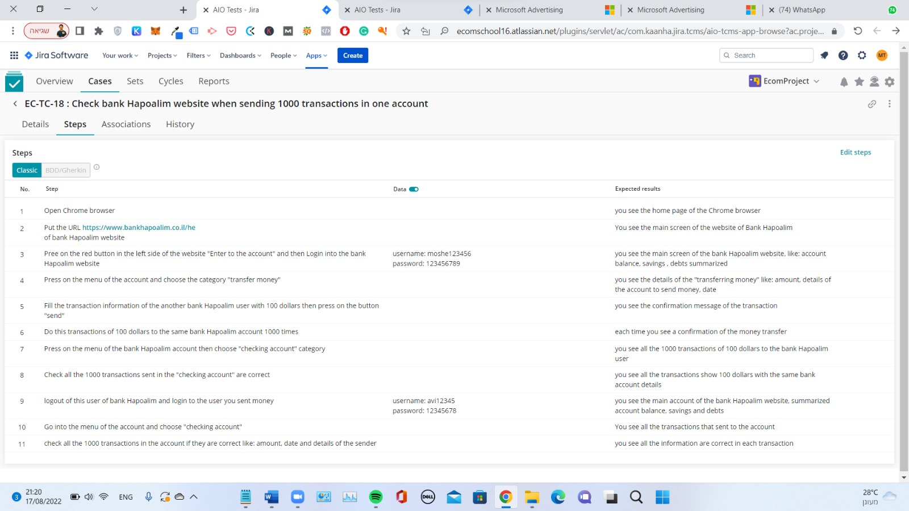

Security Test Cases 1 | EC-TC-20 | Check the integrity of the data stored of the account in the database of Bank Hapoalim | We want to test the integrity of the amount of money in the bank account, the transactions , dates of transactions, loans of the account, savings. Are all stored correctly in the database. |  |  |  |  |  |  | mark tomanok |  | Draft
2 | EC-TC-21 | Check the amount of money sent from one user to another | We want to check in this test that the users get the right amount of money. The money sent only to the user who was suppose to get the money . |  |  |  |  |  |  | mark tomanok |  | Draft
3 | EC-TC-22 | Check if after internet connection lost and return the account still login | We want to check if the account is logout after the internet connection was lost or it's still login |  |  |  |  |  |  | mark tomanok |  | Draft
4 | EC-TC-23 | Check if the user can login with fake username and password | We want to check if some visitor can login with fake username and password |  |  |  |  |  |  | mark tomanok |  | Draft
5 | EC-TC-24 | Check if the user who have two-factor authentication, can login without it. | We want to check of the user is able to login without entering the two-factor authentication code before login. Or is able to login with fake code. |  |  |  |  |  |  | mark tomanok |  | Draft

